Cover
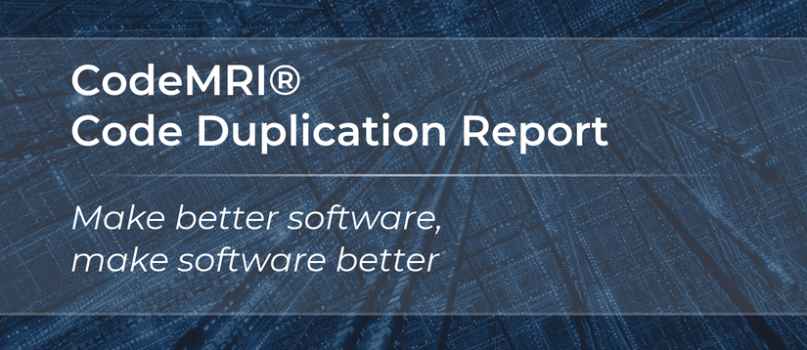

 | Date:
 | Prepared for: | WindowsDev
 | Codebase: | React 18.2.0
 | Silverthread Report Version: | CodeMRI HD 7.8
 | Silverthread Platform Version: | CMRI Suite 1.x.x.x

Use of this information is restricted to analysis of the software package reviewed.
Copyright © Silverthread, Inc. 2013-2023. Patent Pending. All rights reserved.

